OVERVIEW
PROJECT OVERVIEW

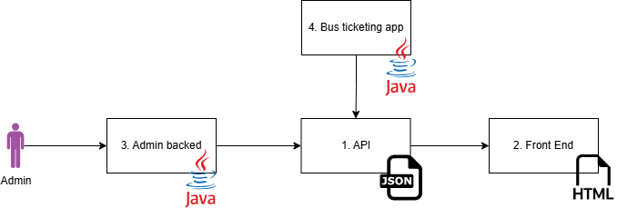
 | No | Item |  | Notes
 | 1 | API |  | Json
 | 2 | Front End |  | HTML
 | 3 | Admin Backend |  | Java
 | 4 | Android Hotel Booking App |  | Java
 | 5
 | 6
 | 7
 | 8
 | 9
 | References |  |  | Type | Status
 | 1 |  | https://drive.google.com/file/d/1mAZpIQgdIMu0o3asr7oa99E-9R2ZXYFK/view?usp=sharing | Screens Flow (Diagram) | Approved
 | 2 |  | https://drive.google.com/file/d/1mAZpIQgdIMu0o3asr7oa99E-9R2ZXYFK/view?usp=sharing | Prototype | Approved

SCREEN FLOW
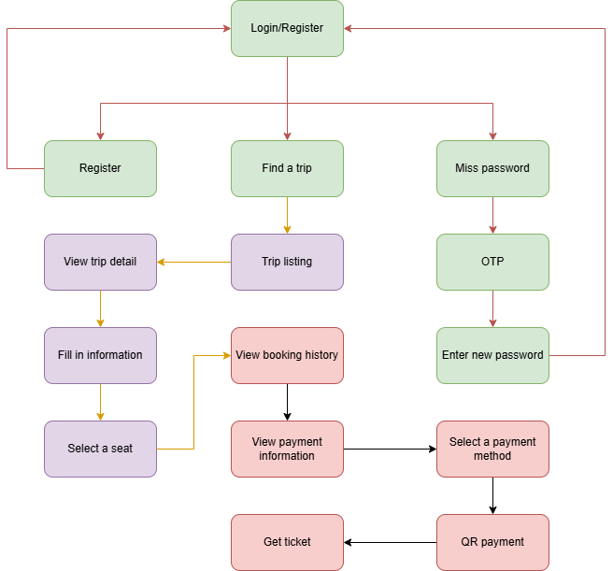
SCREENS FLOW

A.I.1. SPLASH
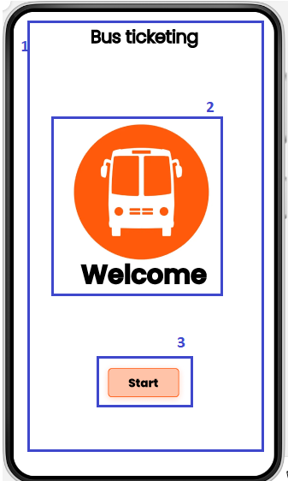
Splash Screen

 | No | Type | Item | Notes
 | 1 |  | This screen appears and persists when no button is pressed
 | 2 | Text + logo | Welcome text + logo bus display | logo and welcome text are displayed as app icon
 | 3 | Button | Go to the login/Register screen

A.I.2. USER LOGIN
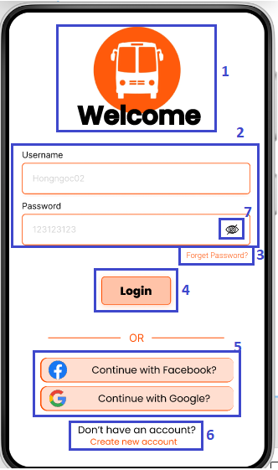
Login Screen

 | No | Type | Description | Notes
 | 1 | Text + logo | Welcome text + logo bus display | logo and welcome text are displayed as app icon
 | 2 | Textbox | Username Input Password Input | Input field for users to enter username Input field for users to enter their password
 | 3 | Link | Forget Password | Go to find password
 | 4 | Button | Login Button | Orange button to submit login credentials
 | 5 | Button | Facebook login button Google login button | Facebook login button to login with facebook Google login button to login with google
 | 6 | Link | Don't have an account Create new account | Go to Register Screen
 | 7 | Icon | Click to hide/show password | Hide/show password on user request

A.I.3. FB LOGIN
Welcome Screen

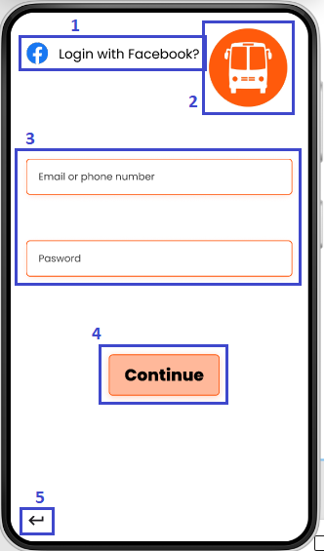
 | No | Type | Item | Notes
 | 1 | Text | Login with Facebook | Show users that they are on the facebook login screen
 | 2 | Logo | Bus logo | Show the user the app logo
 | 3 | Textbox | Email or phone number Input Password Input | Input field for users to enter Email or phone number Input field for users to enter their password
 | 4 | Button | Continue button | Orange button to submit login credentials
 | 5 | Icon | Return | Back button used to return to login screen

A.I.4. GG LOGIN
Welcome Screen
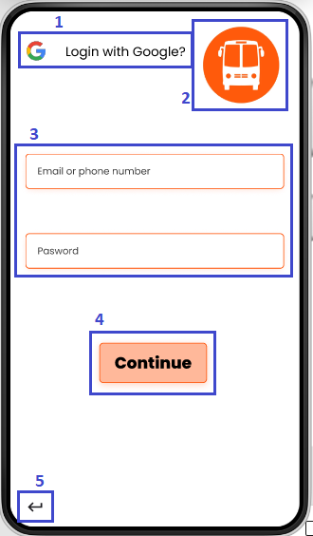
 | No | Type | Item | Notes
 | 1 | Text | Login with Google | Show users that they are on the google login screen
 | 2 | Logo | Bus logo | Show the user the app logo
 | 3 | Textbox | Email or phone number Input Password Input | Input field for users to enter Email or phone number Input field for users to enter their password
 | 4 | Button | Continue button | Orange button to submit login credentials
 | 5 | Icon | Return | Back button used to return to login screen

A.I.5. REGISTER
Welcome Screen
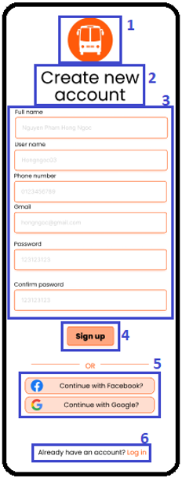
 | No | Type | Item | Notes
 | 1 | Logo | Bus logo | Show the user the app logo
 | 2 | Text | Create new account | Show users that they are on the registration screen
 | 3 | Textbox | Full Name Input User name Input Email Input Phone number Input Password Input Confirm Password Input | Field for users to enter their full name Field for users to enter their user name Field for users to enter their email address Field for users to enter their phone number Field for users to enter a secure password Field for users to confirm their password
 | 4 | Button | Continue button | Orange button to submit sign-up credentials
 | 5 | Button | Facebook login button Google login button | Facebook login button to login with facebook Google login button to login with google
 | 6 | Link | Already have an account? | Go to login screen

A.I.6. FIND PASS
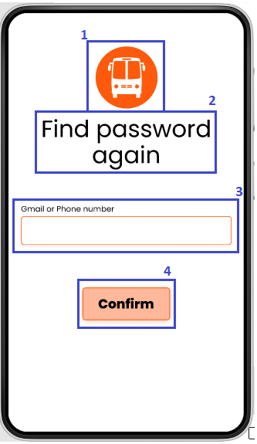
Welcome Screen

 | No | Type | Item | Notes
 | 1 | Logo | Bus logo | Show the user the app logo
 | 2 | Text | Find password again | Shows the user that they are on the password reset screen
 | 3 | Textbox | Gmail or Phone Number Input | Field for users to enter their registered phone number
 | 4 | Button | Confirm | Organe button to request an OTP for password reset

A.I.7. OTP
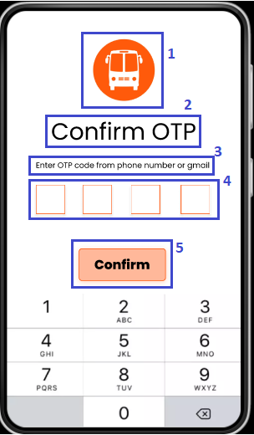
Welcome Screen

 | No | Type | Item | Notes
 | 1 | Logo | Bus logo | Show the user the app logo
 | 2 | Text | Confirm OTP | Shows the user that they are on the confirm OTP screen
 | 3 | Text | Instruction Message | Informs the user to enter their phone number for OTP verification to reset the passwordInforms the user to enter their phone number for OTP verification to reset the password
 | 4 | Input | OTP Input Fields | Four empty boxes for entering the OTP code received via SMS
 | 5 | Button | Confirm OTP Button | Orange button to submit and verify the OTP

A.I.8. NEW PASS
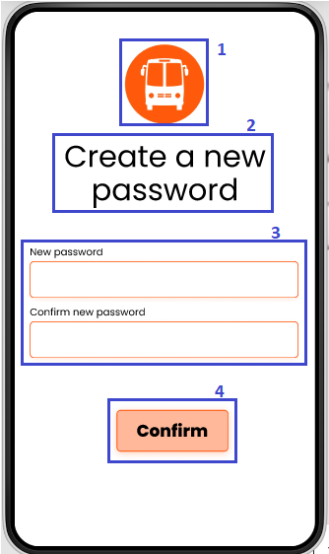
Welcome Screen

 | No | Type | Item | Notes
 | 1 | Logo | Bus logo | Show the user the app logo
 | 2 | Text | Create a new password | Shows the user that they are on the create a new password screen
 | 3 | Textbox | New Password Input Confirm New Password Input | Field for users to enter their new password Field for users to re-enter and confirm their new password
 | 4 | Button | Confirm Password Button | Orange button to submit the new password

B.I.1. Trip Search Screen
Trip Search Screen

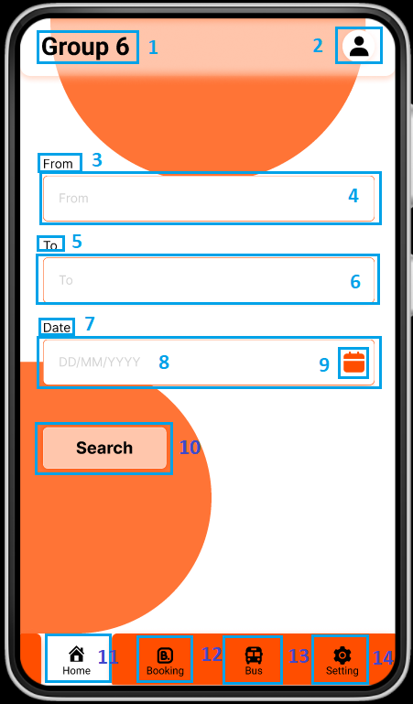
 | No | Type | Description | Notes
 | 1 | Text | App Logo (Group 6)
 | 2 | Button | Profile button (user icon) | Navigates to the user profile screen
 | 3 | Text | "From" label
 | 4 | Text Field | Input field for departure location | Users enter the starting location
 | 5 | Text | "To" label
 | 6 | Text Field | Input field for destination location | Users enter the destination
 | 7 | Text | "Date" label
 | 8 | Text Field | Input field for selecting date | Users enter or select the departure date
 | 9 | Button | Calendar icon for date selection | Opens the date picker for quick input
 | 10 | Button | "Search" button | Sends a request to search for available bus trips
 | 11 | Button | "Home" navigation button
 | 12 | Button | "Booking" navigation button
 | 13 | Button | "Bus" navigation button
 | 14 | Button | "Setting" navigation button

B.I.2. Trip Search Screen (With
Trip Search Screen (With Date Selector)

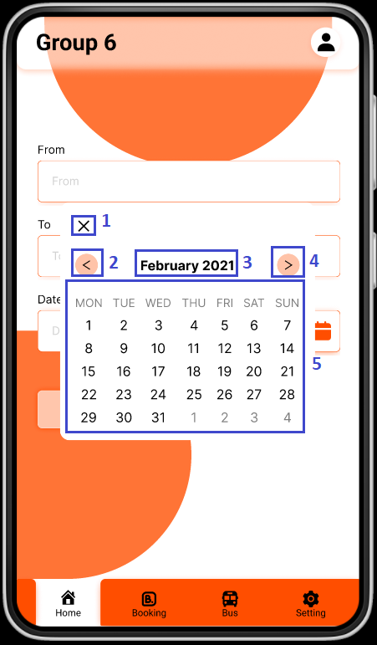
 | No | Type | Description | Notes
 | 1 | Button | Clear button (X icon)
 | 2 | Button | Previous month button (Left arrow)
 | 3 | Text | Display current month and year
 | 4 | Button | Next month button (Right arrow)
 | 5 | Button | Calendar icon for date selection

B.I.3. Featured Vehicles Screen
Trip Search Screen (Popup)

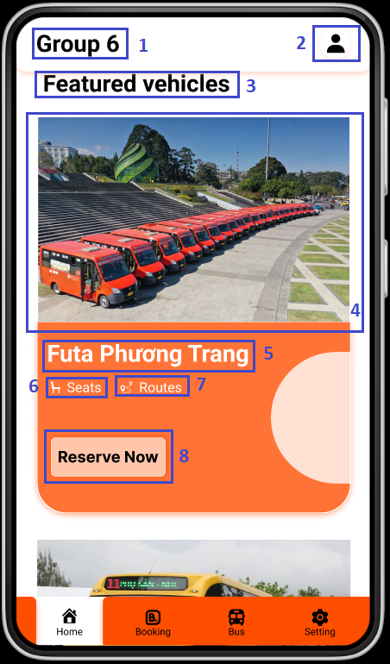
 | No | Type | Description | Notes
 | 1 | Text | App Logo (Group 6)
 | 2 | Button | Profile button (user icon) | Navigates to the user profile screen
 | 3 | Text | Display "Featured vehicles"
 | 4 | Image | Bus company description image
 | 5 | Text | Display "Futa Phương Trang" | Bus company name
 | 6 | Icon | Seats Icon | Allow users to reserve seats
 | 7 | Icon | Routes Icon | Represents route options
 | 8 | Button | Allows users to book a vehicle

B.I.5 Search Results Screen
Search Results Screen

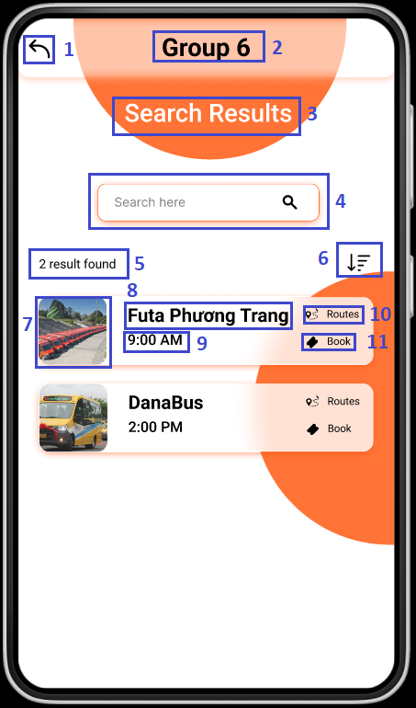
 | No | Type | Description | Notes
 | 1 | Icon | Back arrow | Returns to the previous screen
 | 2 | Text | App Logo (Group 6)
 | 3 | Text | Display "Search Results"
 | 4 | Search Bar | Input field and search icon | Allows users to enter search keywords
 | 5 | Text | Display "2 results found"
 | 6 | Icon | Filter | Allows filtering search results
 | 7 | Image | Displays the search result vehicle
 | 8 | Text | Name of the vehicle
 | 9 | Text | Departure time of the vehicle
 | 10 | Icon | Seats Icon | Allow users to reserve seats
 | 11 | Icon | Routes Icon | Represents route options

B.I.4. Trip Search Screen (Popu
Trip Search Screen (Popup)

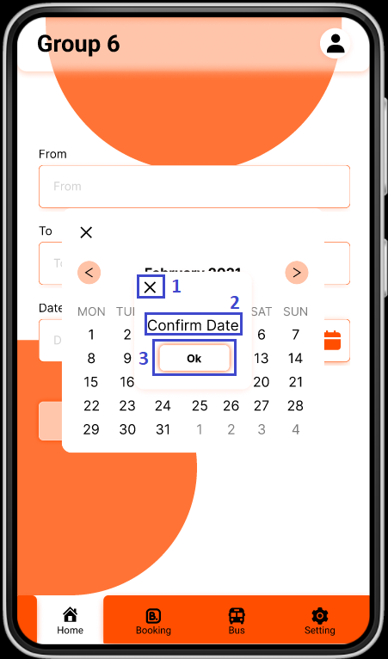
 | No | Type | Description | Notes
 | 1 | Button | Clear button (X icon)
 | 2 | Text | Display date selection success
 | 3 | Button | "Ok" Button

B.I.6 Bus Map Screen
Bus Map Screen

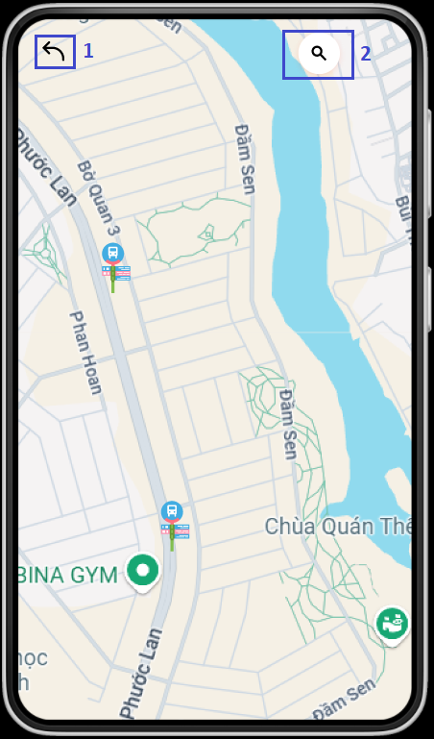
 | No | Type | Description | Notes
 | 1 | Icon | Back arrow | Returns to the previous screen
 | 2 | Icon | Search icon | Allows users to search for locations

B.I.7. Reserve Vehicle Screen
Reserve Vehicle Screen

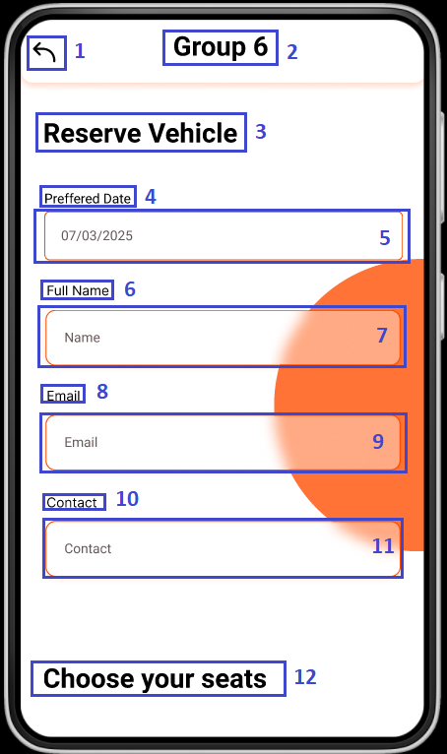
 | No | Type | Description | Notes
 | 1 | Icon | Back arrow | Returns to the previous screen
 | 2 | Text | App Logo (Group 6)
 | 3 | Text | Display "Reserve Vehicle"
 | 4 | Text | Display "Preferred Date"
 | 5 | Text Field | Date selection field | Date already selected
 | 6 | Text | Display "Full Name"
 | 7 | Text Field | Name input field | Allows users to enter their full name
 | 8 | Text | Display "Email"
 | 9 | Text Field | Email input field | Allows users to enter their email
 | 10 | Text | Display "Contact"
 | 11 | Text Field | Contact input field | Allows users to enter their phone number
 | 12 | Text | "Choose your seats" | Swipe down to navigate to the seat selection screen

B.I.8. Seat Reservation Screen
Seat Reservation Screen

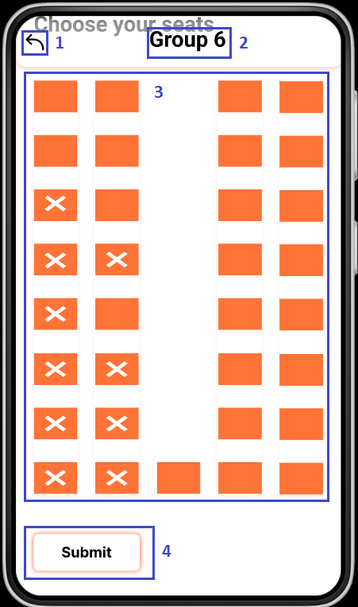
 | No | Type | Description | Notes
 | 1 | Icon | Back arrow | Returns to the previous screen
 | 2 | Text | App Logo (Group 6)
 | 3 | Checkbox | Seat selection grid | Allows users to select available seats
 | 4 | Button | "Submit" | Confirms the selected seats

C.I.1. Booking history screen
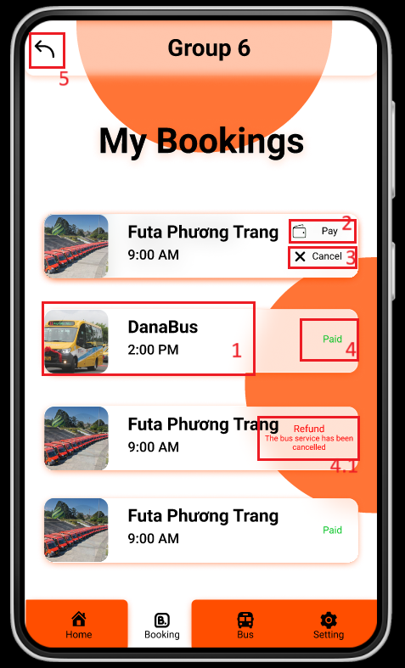
BOOKING HISTORY SCREEN

 | No | Type | Item | Notes
 | 1 | View | Show ticket information, such as: + Image (VARBINARY) + Name (TEXT) + Departure date (Date time)
 | 2 | Button | Go to C.I.3. Payment screen
 | 3 | Button | Go to C.I.2. Cancel booking pop-up
 | 4 | Text | Show ticket status, such as: + Status (TEXT): 4.1. If the trip cannot take place, display the reason | Paid is displayed in green, other cases are displayed in red
 | 5 | Button | Go to home screen

C.I.2. Cancel booking pop-up
BOOKING HISTORY SCREEN
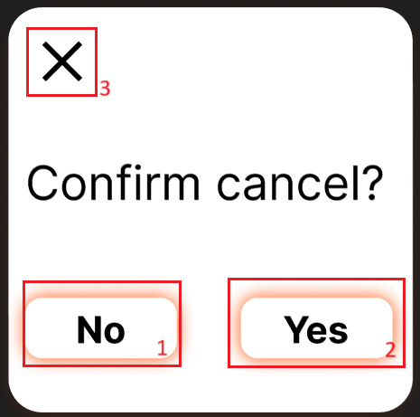
 | No | Type | Item | Notes
 | 1 | Button | Go to C.I.1. Booking history screen
 | 2 | Button | Go to C.I.1. Booking history screen | Delete ticket from booking history list
 | 3 | Button | Close pop-up

C.I.3. Payment screen
BOOKING HISTORY SCREEN
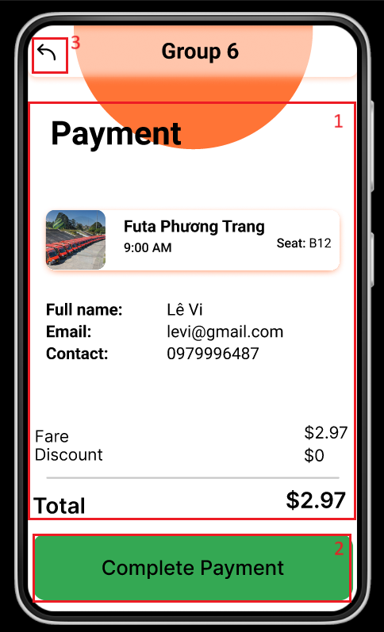
 | No | Type | Item | Notes
 | 1 | View | Show Payment information, such as: + Image (VARBINARY) + Name (TEXT) + Departure date (Date time) + Seat (TEXT) + Full name (TEXT) + Email (TEXT) + Phone (Char(10)) + Fare (Numeric) + Discount (Numeric) + Total (Numeric) | - Phone: check constraint to allow only digits (expression = NOT LIKE '%[^0-9]%') - Total= Fare-Discount - Email: inclue _______@domain.com
 | 2 | Button | Go to C.I.4 Payment methods screen
 | 3 | Button | Go to C.I.1. Booking history screen

C.I.4. Payment methods screen
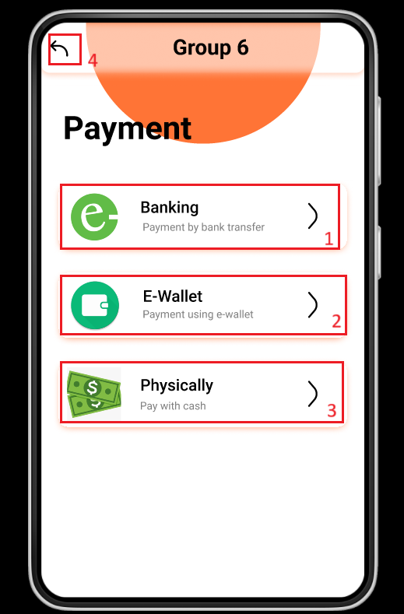
BOOKING HISTORY SCREEN

 | No | Type | Item | Notes
 | 1 | Button | Go to C.I.5. QR Banking pop-up | Method button include: +Image (VARBINARY) +Name method (TEXT) +Description (TEXT)
 | 2 | Button | Go to E-wallet app | Failed: If E-wallet app cannot be connected, a notification should be displayed for the user to change the method.
 | 3 | Button | Go to Payment succesfull pop-up
 | 4 | Button | Go to C.I.3. Payment screen

C.I.5. QR banking pop-up
BOOKING HISTORY SCREEN
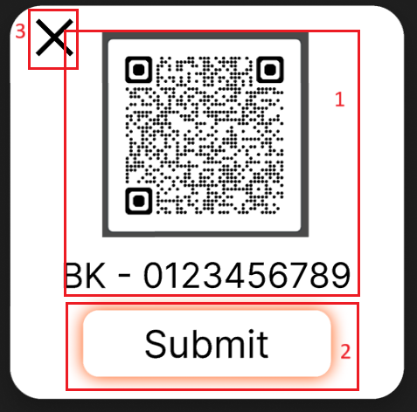
 | No | Type | Item | Notes
 | 1 | View | Show banking information, such as: + QR code (VARBINARY) + Banking number (TEXT)
 | 2 | Button | Go to C.I.6. Ticket information screen
 | 3 | Button

C.I.6. Ticket Information scree
BOOKING HISTORY SCREEN
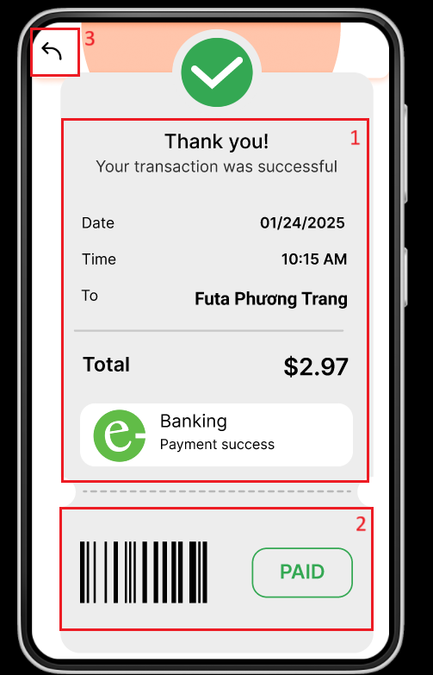
 | No | Type | Item | Notes
 | 1 | View | Show Payment information, such as: + Notification (TEXT) + Booking date (DATE) + Booking time (TIME) + Recipient (TEXT) + Total paid (NUMERIC) + Name payment method (TEXT) + Payment description (TEXT) + Payment image (VARBINARY)
 | 2 | Button | Show Ticket information, such as: + Payment status (VARBINARY) + Ticket barcode (VARBINARY) | Ticket barcode is used as a replacement for physical tickets.
 | 3 | Button | Go to C.I.1. Booking history screen

